Map of Assignment
 |  | Vertices of your letter
 |  | 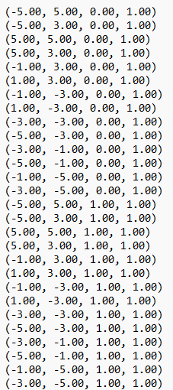

 |  | Rotation Matrix

 |  | Image after Rotation
 |  | 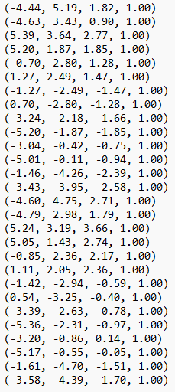

 |  | Scale Matrix |  | Single Matrix of transformations
 |  | 

 |  | Image after Scale
 |  | 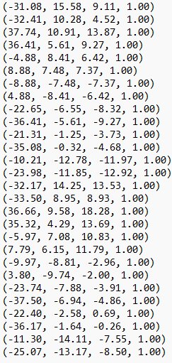

 |  | Translation Matrix
 |  | 

 |  | Image after translation | = | Image after transformations
 |  | 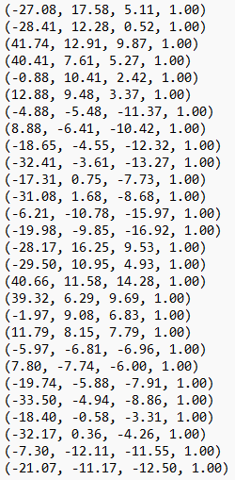 |  | 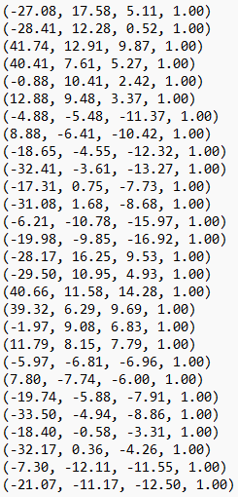

 |  | Viewing Matrix |  |  | Single Matrix for everything

 |  | Image after Viewing Matrix
 |  | 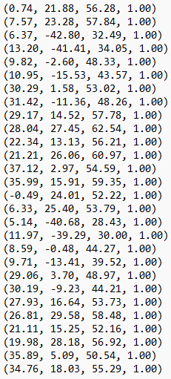

Projection by hand i.e. division |  | Projection matrix

Final Image | = | Final Image | Should be equal (ish) :-) |  | Final Image
 |  | 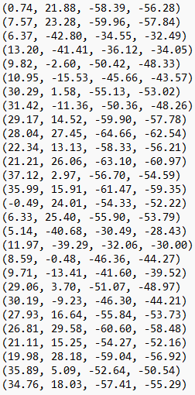 |  |  | 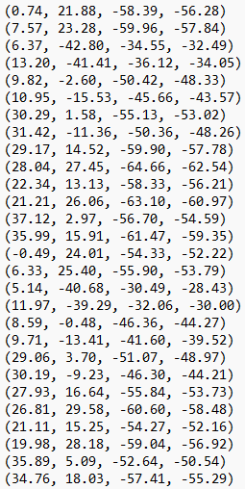

 |  | Final Image on graph paper, or excell chart
 | 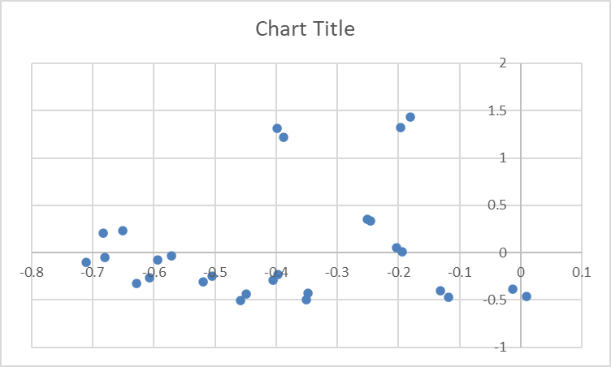

eee (2)
Column1 | Column2 | Column3 | Column4 | Column5
0.74 | 21.88 | -58.39 | -56.28
7.57 | 23.28 | -59.96 | -57.84
6.37 | -42.8 | -34.55 | -32.49
13.2 | -41.41 | -36.12 | -34.05
9.82 | -2.6 | -50.42 | -48.33
10.95 | -15.53 | -45.66 | -43.57
30.29 | 1.58 | -55.13 | -53.02
31.42 | -11.36 | -50.36 | -48.26
29.17 | 14.52 | -59.9 | -57.78
28.04 | 27.45 | -64.66 | -62.54
22.34 | 13.13 | -58.33 | -56.21
21.21 | 26.06 | -63.1 | -60.97
37.12 | 2.97 | -56.7 | -54.59
35.99 | 15.91 | -61.47 | -59.35
-0.49 | 24.01 | -54.33 | -52.22
6.33 | 25.4 | -55.9 | -53.79
5.14 | -40.68 | -30.49 | -28.43
11.97 | -39.29 | -32.06 | -30
8.59 | -0.48 | -46.36 | -44.27
9.71 | -13.41 | -41.6 | -39.52
29.06 | 3.7 | -51.07 | -48.97
30.19 | -9.23 | -46.3 | -44.21
27.93 | 16.64 | -55.84 | -53.73
26.81 | 29.58 | -60.6 | -58.48
21.11 | 15.25 | -54.27 | -52.16
19.98 | 28.18 | -59.04 | -56.92
35.89 | 5.09 | -52.64 | -50.54
34.76 | 18.03 | -57.41 | -55.29

-0.013148542999 | -0.38877043355
-0.13087828492 | -0.40248962656
-0.19606032625 | 1.3173284087
-0.38766519824 | 1.2161527166
-0.20318642665 | 0.053796813573
-0.2513197154 | 0.356437916
-0.57129385138 | -0.029800075443
-0.6510567758 | 0.23539162868
-0.50484596746 | -0.251298027
-0.44835305405 | -0.43891909178
-0.39743817826 | -0.23358832948
-0.34787600459 | -0.42742332295
-0.67997801795 | -0.054405568785
-0.60640269587 | -0.26807076664
0.0093833780161 | -0.45978552279
-0.11767986615 | -0.47220672988
-0.18079493493 | 1.4308828702
-0.399 | 1.3096666667
-0.19403659363 | 0.010842557036
-0.24569838057 | 0.33932186235
-0.59342454564 | -0.075556463141
-0.68287717711 | 0.20877629496
-0.51982132887 | -0.3096966313
-0.45844733242 | -0.50581395349
-0.40471625767 | -0.2923696319
-0.351018974 | -0.49508081518
-0.71013058963 | -0.10071230708
-0.62868511485 | -0.32609875203

